Expenses
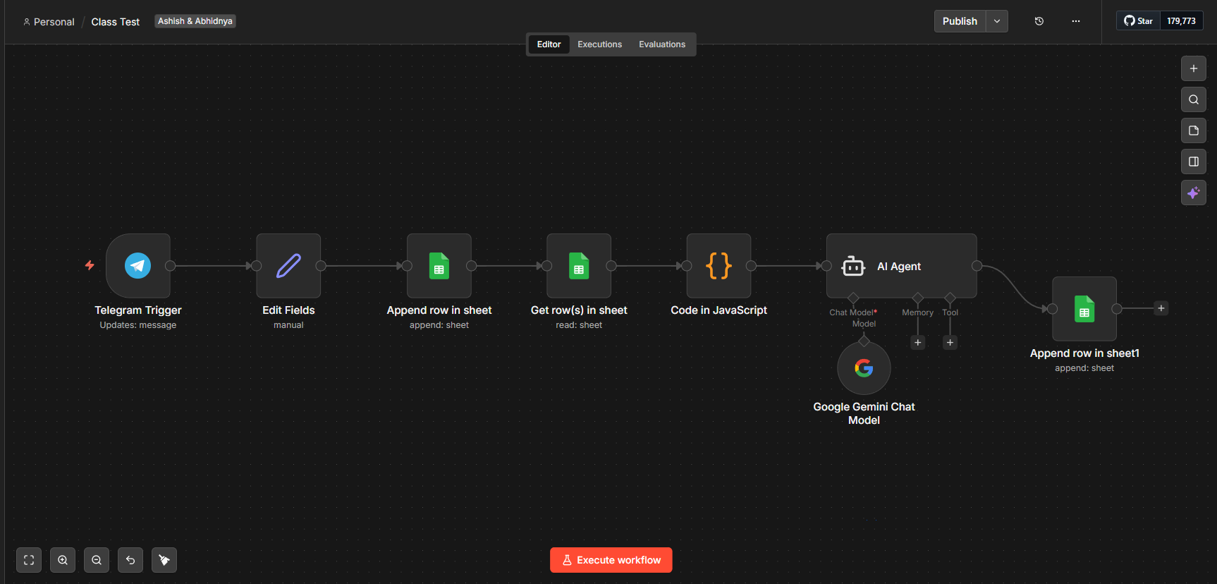
Date | Item | Category | Amount
2026-03-18 | Laptop | Electronics | 65000
2026-03-18 | Burger | Food | 1500 | Ashish Chaudhari
2026-03-18 | Pizza | Food | 500
2026-03-18 | Headphones | Electronics | 6500
2026-03-18 | Headphones | Electronics | 6500
2026-03-18 | Coffee | Food | 25

